Sheet1
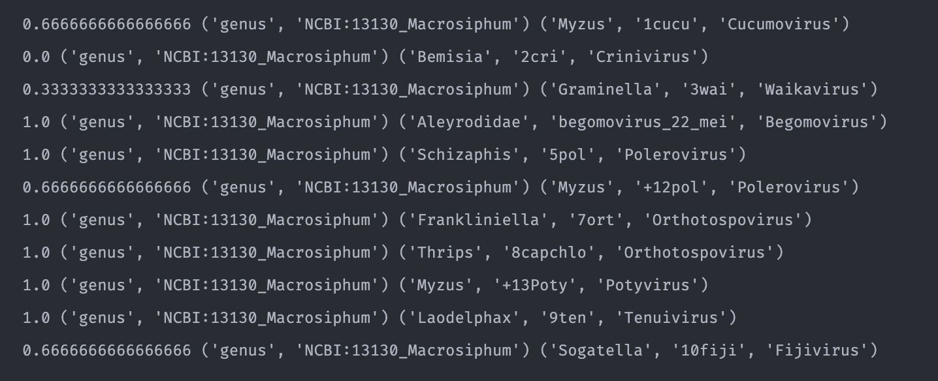
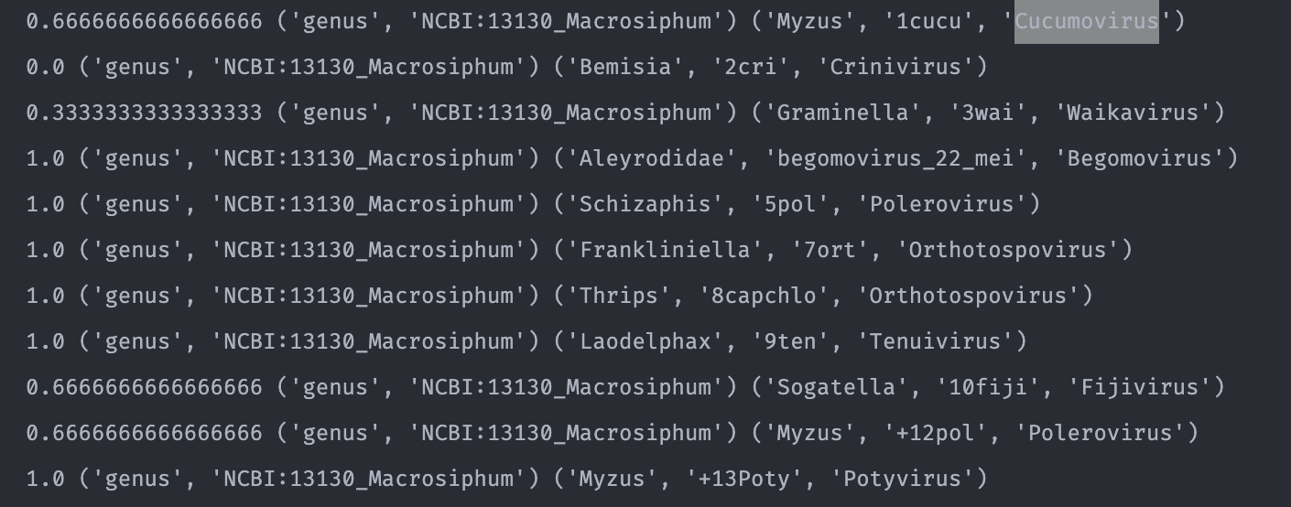
No | Virus | Genus | Relevant | Predicted | Precision
1 | Cucumber mosaic virus | Cucumovirus | Myzus | Myzus | 1
2 | Tomato chlorosis virus | Crinivirus | Bemisia | Bemisia | 1
3 | Maize chlorotic dwarf virus | Waikavirus | Graminella | Myzus | 0.3
4 | Tomato yellow leaf curl China virus | Begomovirus | Bemisia | Bemisia | 1
5 | Cereal yellow dwarf virus-RPV | Polerovirus | Schizaphis | Schizaphis | 1
6 | Pea enation mosaic virus | Enamovirus | Acyrthosiphon | Spodoptera | 0
7 | Tomato spotted wilt orthotospovirus | Orthotospovirus | Frankliniella | Frankliniella | 1
8 | Capsicum chlorosis orthotospovirus | Orthotospovirus | Thrips | Lepidoptera | 0
9 | Rice stripe tenuivirus | Tenuivirus | Laodelphax | Laodelphax | 1
10 | Southern rice black-streaked dwarf virus | Fijivirus | Sogatella | Nilaparvata | 0.6
11 | plrv | Polerovirus | Myzus | Rhopalosiphum | 0.6
12 | pvy | Potyvirus | Myzus | Myzus | 1
 |  |  | Total |  | 0.70833333333

Pra proses
No | Virus | Node | edge | tanaman | serangga | virus | tanaman | serangga | virus
1 | Cucumber mosaic virus | 1715 | 3157 | 167 | 821 | 727 | 9.7 | 47.9 | 42.4
2 | Tomato chlorosis virus | 1185 | 1702 | 39 | 562 | 584 | 3.3 | 47.4 | 49.3
3 | Maize chlorotic dwarf virus | 195 | 230 | 10 | 98 | 87 | 5.1 | 50.3 | 44.6
4 | Tomato yellow leaf curl China virus | 2610 | 7424 | 296 | 1319 | 995 | 11.3 | 50.5 | 38.1
5 | Cereal yellow dwarf virus | 35 | 38 | 3 | 8 | 24 | 8.6 | 22.9 | 68.6
6 | Pea enation mosaic virus 1 | 593 | 869 | 29 | 301 | 263 | 4.9 | 50.8 | 44.4
7 | Cucurbit yellow stunting disorder virus | 1189 | 1553 | 43 | 562 | 584 | 3.6 | 47.3 | 49.1
8 | Rice stripe tenuivirus | 763 | 1166 | 30 | 112 | 621 | 3.9 | 14.7 | 81.4
9 | Southern rice black-streaked dwarf virus | 334 | 542 | 40 | 121 | 173 | 12.0 | 36.2 | 51.8
10 | Capsicum chlorosis orthotospovirus | 479 | 668 | 5 | 64 | 410 | 1.0 | 13.4 | 85.6
11 | Barley yellow dwarf virus GAV | 25 | 28 | 2 | 2 | 21 | 8.0 | 8.0 | 84.0
12 | Tomato spotted wilt orthotospovirus | 348 | 401 | 45 | 38 | 265 | 12.9 | 10.9 | 76.1
 | max | 2610.0 | 7424.0 | 296.0 | 1319.0 | 995.0 | 12.9 | 50.8 | 85.6
 | min | 25.0 | 28.0 | 2.0 | 2.0 | 21.0 | 1.0 | 8.0 | 38.1
 | avg | 789.3 | 1481.5 | 59.1 | 334.0 | 396.2 | 7.04 | 33.35 | 59.62

Pengambilan Data

